3 OPT
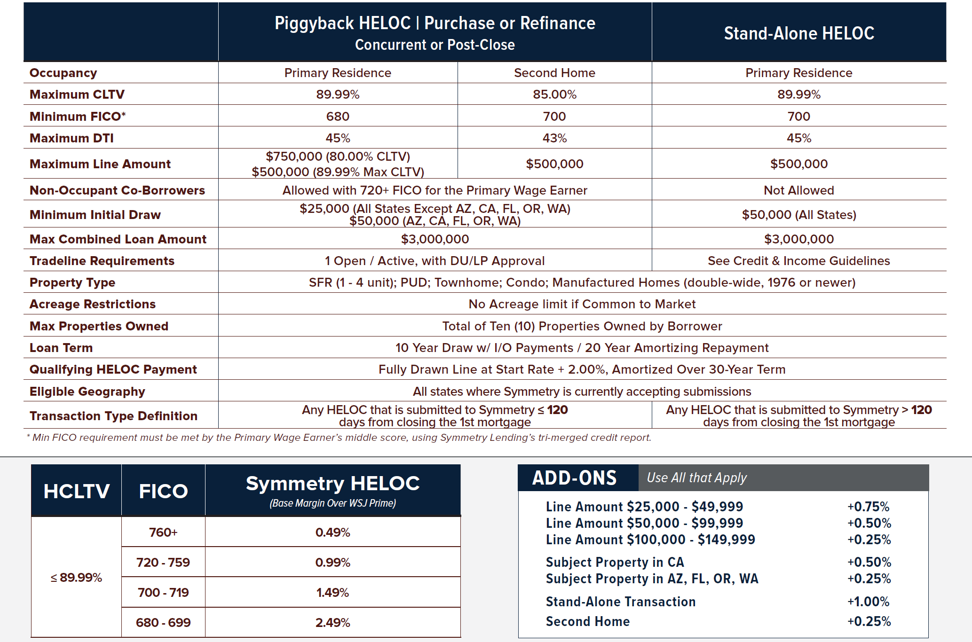
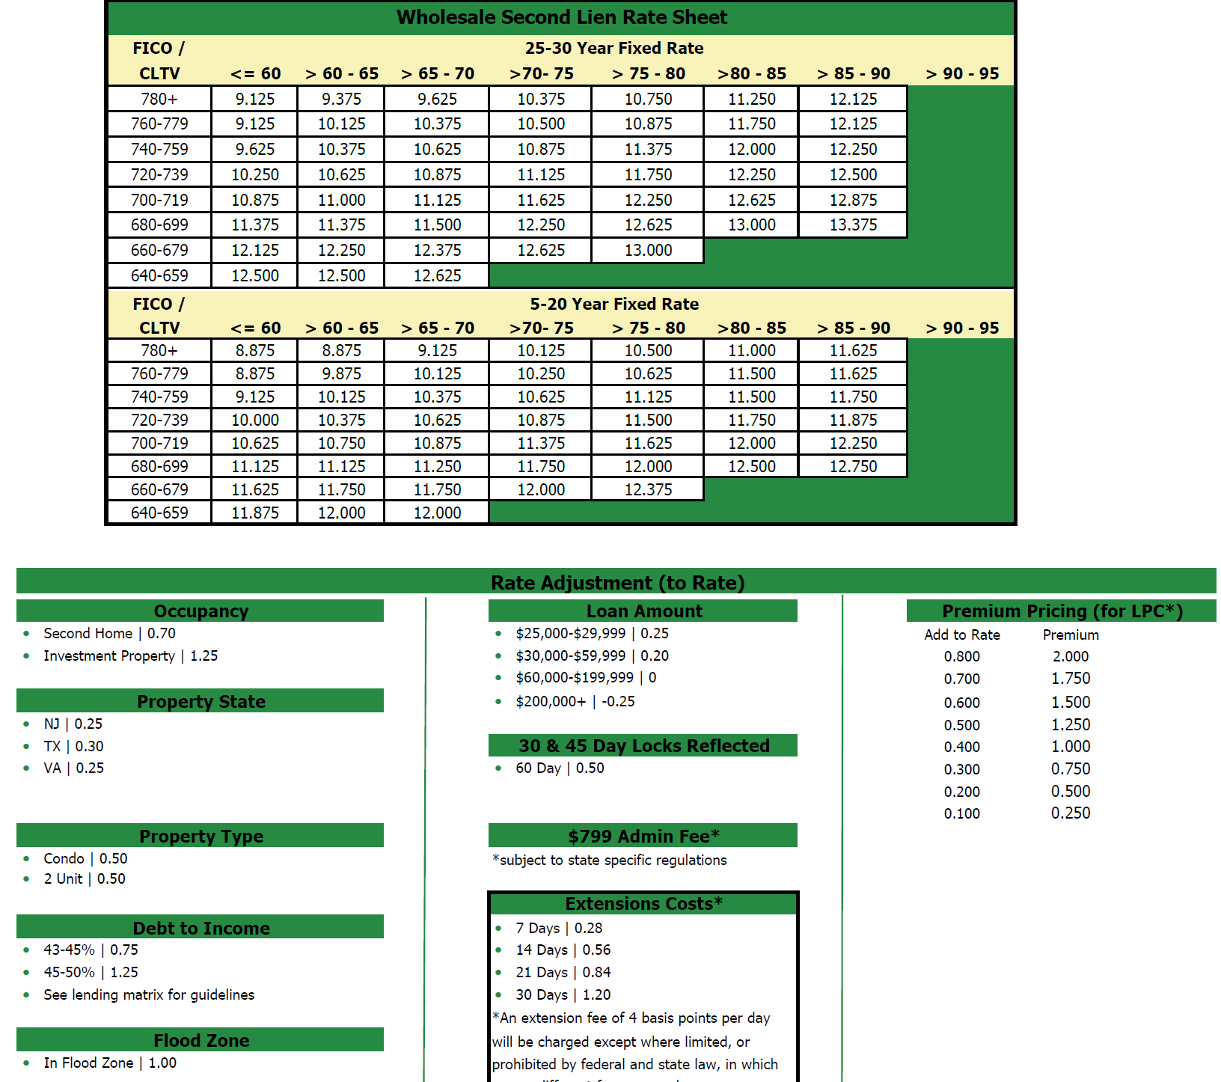
 |  |  |  | Ellis Andersen | Branch Manager |  |  | TEXT TEMPLATES |  | CASH OUT

 |  |  |  | Direct/Fax: (949) 892-1736 |  |  | INTRO TEXT | Hi Matthew, this is Ellis Andersen :blush: with West Capital Lending. I just received your inquiry to take about $740000 :moneybag: of equity from your home. I know you're shopping for the best deal so I will check with our most competitive lenders within our Broker Network. | L/P | Conventional
 |  |  |  | Email: eandersen@westcapitallending.com
 |  |  |  | 34 Executive Park Ste 180, Irvine, CA 92614 |  |  |  | Can you confirm the following: | Term | 30 Year Fixed
 |  |  |  | NMLS 1912260 | NMLS 02196940 |  |  |  | This is your current address: 15244 W Auburn Ave, Denver, CO, 80228
 |  |  |  | Website: www.westcapitallending.com |  |  |  | Home Value is: $1200000 | Rate 1 | 7.375%
 |  |  |  |  |  |  |  | Your Current First Mortgage Balance is: $340000
Date | 2023-09-27 |  |  | Property Address: |  |  |  | Your Desired Cash Out is: $740000 | APR | 7.595%
Client Name: | Matthew Pasiuk |  |  |  |  |  |  | What is your Credit Score?
E-Mail: | mattpasiuk@gmail.com |  |  | 15244 W Auburn Ave, Denver, CO, 80228 |  |  |  | What is your annual gross income? | Fees 1 | $23,520.00
Phone: | (720)788-0594 |  |  |  |  |  |  | What type of Loan Products: Cash Out Refinance:heavy_dollar_sign:, Home Equity Loan:moneybag:, Home Equity Line of Credit:credit_card:
Desired Cash | $740,000 |  |  | Home Value | $1,200,000 |  |  |  | Rate 2 | 7.750%
 |  |  |  |  |  |  |  | Once I have these I can send over a formal proposal to you. Thank You! :innocent:
Details | Cash Out Refinance |  | HELOC |  | HELOAN |  | Follow Up | Matthew , I just wanted to follow up with you did you get the text above :point_up_2: - [Ellis w/ West Capital Lending] | APR | 7.975%

Loan Program | Conventional |  | Home Equity Line of Credit |  | Home Equity Loan |  | Market Drop | Matthew, Great News! The Market took a heavy dip today :chart_with_downwards_trend: if you are at all still interested, now would be a great time to lock in your rate. :lock: [Ellis w/ West Capital Lending] | Fees 2 | $14,880.00

Loan Type | 1st Mortgage |  | 2nd Mortgage |  | 2nd Mortgage |  |  |  | HELOC
 |  |  |  |  |  |  | HELOC/HELOAN | Matthew, If the quote I sent you was not what you were looking for I can send you additional options? Did you want to look at a Line of Credit :credit_card: or an Equity Loan :moneybag: instead? [Ellis w/ West Capital Lending]
Current Balance | $340,000 |  | $340,000 |  | $340,000 |  |  |  | Term: | 30 Year Arm

Loan Amount | $1,103,520 | $1,094,880 | $764,200 |  | $761,095 |  | Did you get text? | Matthew, just wanted to follow up with you did you get the text above :point_up_2: [Ellis w/ West Capital Lending] | Rate | 10.300%

Term | 30 Year Fixed |  | 10 Year Draw 20 Year Repayment |  | 20 Year Fixed | 10 Year Fixed | Another Lender | Matthew, I know you may already be in process with another lender. :bank: Are you satisified with rate and service? :blush: :pensive: [Ellis w/ West Capital Lending] | APR | 10.633%

Interest Rate | 7.375% | 7.750% | 10.300% |  | 9.125% | 9.250% | STOP Contact | Matthew, if you changed your mind let me know so I can stop contacting you if you wish? [Ellis w/ West Capital Lending] | Fees | $24,200.00

APR | 7.595% | 7.975% | 10.633% |  | 9.882% | 10.386% | Still Want Cash? | Matthew, did you still want to take out the $740000 :money_with_wings: in cash from your home? [Ellis w/ West Capital Lending] | HELOAN

Loan Costs | $23,520 | $14,880 | $24,200 |  | $21,095 | $21,095 | Don’t Qualify? | Matthew, generally when I do not receive a response it is because the client was told they didn't qualify. I am broker and I can work with any credit or income profile. [Ellis w/ West Capital Lending] | Term 1 | 20 Year Fixed

Payment | $7,621.74 | $7,905.75 | $6,351.67 |  | $6,909.07 | $9,744.51 | Home Prices Up | Matthew, home values are trending up in your area. :zap: Have you had an evaluation done recently? [Ellis w/ West Capital Lending] | Rate 1 | 9.125%

Cash Out | $740,000 | $740,000 | $740,000 |  | $740,000 | $740,000 | Debt Consolidation | Matthew, a lot of my clients are calling to consolidate their debt. Do you carry any High Interest Balances? [Ellis w/ West Capital Lending] | APR | 9.882%

Documents Needed | Mortgage Statement |  | Homeowner's Insurance |  | HOA Statement |  | Right Person? | Do I have the right person? [Ellis w/ West Capital Lending] | Fees 1 | $21,094.90

 | 2021 & 2022 W-2 |  | 2 Recent Paystubs - 30 Days |  | Drivers License |  |  |  | Term 2 | 10 Year Fixed

 |  |  |  |  |  |  |  |  | Rate 2 | 9.250%

 |  |  |  |  |  |  |  |  | APR | 10.386%
Ellis Andersen | Branch Manager - (949) 892-1736
 |  |  |  |  |  |  |  |  | Fees 2 | $21,094.90
Thank you for choosing West Capital Lending for your financing needs!

